LCA inventory
Flow of inventory | amount | material in fermentation section | material in DSP section

Infrastructure

Reactors
seed reactor 1
seed reactor 2
seed reactor 3
fermenter

Storage containers
Substrate
NaH2PO4
NH4SO4
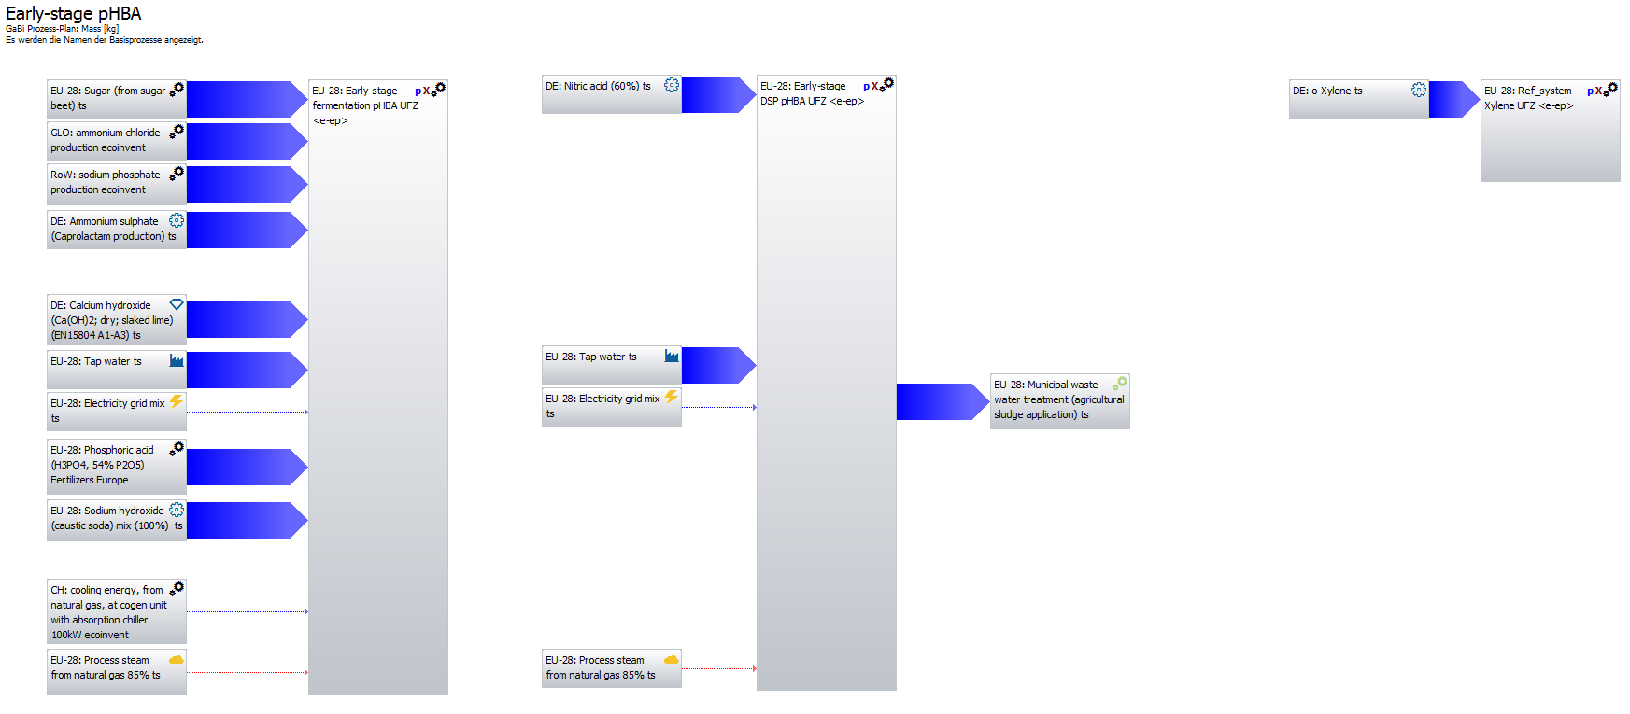
NH4Cl
Broth storage

Material flows
Substrate, sucrose | kg/batch | 42717.87
NaH2PO4 | kg/batch | 587.26766
NH4SO4 | kg/batch | 54.66512
NH4Cl | kg/batch | 2168.60231
CaOH | kg/batch | 4344.97
HNO3, 70% | kg/batch |  | 10809.07399
H3PO4 for CIP | kg/batch | 9049.49
NaOH for CIP | kg/batch | 12509.81

Water | kg/batch | 157377.26 | 82803.46
Cooling water | MJ/batch | 459197.55604
Sterilizing | MJ/batch | 55888.11812 | 18890.33608
Wastewater |  |  | 240180.72

Cooling water | kg/batch | 21971174.93
Steam | kg/batch | 26512.39 | 8961.26

Electricity | kWh/batch | 26899.16 | 6207.61
 | MJ/batch | 96836.976 | 22347.396

Cooling water input temperature, °C | 15
Cooling water output temperature, °C | 20
Specific heat of cooling water, kJ/(kg*K) | 4.18

Steam input temperature, °C | 152
Entalpy of evaporation (hfg), kJ/kg at 152 °C | 2108

Number of batches per year | 652
Total product, kg/batch | 1278.1

CML2001 - Jan. 2016, Global Warming Potential (GWP 100 years), excl biogenic carbon | kg CO2 eq. |  |  | Total specific, kg/kg

 | Fermentation | DSP | Ref_sys
Flows | 108263.27286 | 16413.825652 | 3358.8518301 | 97.548782187 | 2.6280039356

CML2001 - Jan. 2016, Eutrophication Potential (EP) | kg Phosphate eq.

 | Fermentation | DSP | Ref_sys
Flows | 115.67116767 | 10.717011488 | 0.47748986113 | 0.098887551177 | 0.00037359350687

CML2001 - Jan. 2016, Acidification Potential (AP) | kg SO2 eq.

 | Fermentation | DSP | Ref_sys
Flows | 381.69600743 | 14.248040446 | 3.3720497054 | 0.30979113362 | 0.0026383301036

CML2001 - Jan. 2016, Human Toxicity Potential (HTP inf.) | kg DCB eq.

 | Fermentation | DSP | Ref_sys
Flows | 17127.368673 | 616.41483126 | 274.58726173 | 13.882938349 | 0.21484020165

Result summary
 | 2 | 3 | 4 | 5 | 6 | 7 | 8 | 9 | 10 | 11
Indicators | Reference system | Base case bacterial | Base case bacterial with biomass recycling | Base case bacterial with water recycling | Bacterial best case with biomass and water recycling and cane sugar | Upscaled bacterial best case with cane sugar | Upscaled bacterial best case with beet sugar | Base case yeast | Upscaled yeast best case with cane sugar | Upscaled yeast best case with beet sugar | Max |  | Reference system | Base case bacterial | Base case bacterial with biomass recycling | Base case bacterial with water recycling | Bacterial best case with biomass and water recycling and cane sugar | Upscaled bacterial best case with cane sugar | Upscaled bacterial best case with beet sugar | Base case yeast | Upscaled yeast best case with cane sugar | Upscaled yeast best case with beet sugar
Unit production cost, $/kg | 2.5 | 3.2555 | 3.0641 | 3.2406 | 2.5491 | 2.0077 | 2.1084 | 2.6516 | 1.6127 | 1.6958 | 3.2555 | Unit production cost, $/kg | 0.76793119337 | 1 | 0.94120718784 | 0.99542313009 | 0.783013362 | 0.61671018277 | 0.64764245124 | 0.81449854093 | 0.49537705422 | 0.52090308708
Abiotic depletion elements, kg Sb eq. | 3.3573798952E-05 | 9.3700460396E-05 | 8.9300509033E-05 | 9.3750887423E-05 | 8.7870442867E-05 | 8.9215413564E-05 | 9.0996781184E-05 | 9.5684425947E-05 | 9.0966370348E-05 | 9.2473947713E-05 | 9.5684425947E-05 | Abiotic depletion elements, kg Sb eq. | 0.35088049722 | 0.97926553322 | 0.9332815466 | 0.97979254717 | 0.91833589424 | 0.93239221202 | 0.95100932344 | 1 | 0.95069149914 | 0.96644722271
Abiotic depletion fossil, MJ | 164.03939427 | 123.74593409 | 111.94844201 | 124.11924724 | 71.556915602 | 72.652186328 | 114.0711469 | 120.24331385 | 67.440649768 | 108.64243583 | 124.11924724 | Abiotic depletion fossil, MJ | 1.3216273698 | 0.99699230249 | 0.90194264391 | 1 | 0.57651747972 | 0.58534182204 | 0.91904478505 | 0.96877250331 | 0.54335368018 | 0.87530691856
AP, kg SO4-equiv. | 0.02589706101 | 0.030427042281 | 0.026209018399 | 0.030460063537 | 0.047057504872 | 0.047777781069 | 0.026716969749 | 0.03047780697 | 0.04762608485 | 0.026405922604 | 0.047777781069 | AP, kg SO4-equiv. | 0.54203147217 | 0.63684502714 | 0.54856081243 | 0.63753616966 | 0.98492445274 | 1 | 0.55919235158 | 0.63790754381 | 0.99682496309 | 0.55268206295
EP, kg PO4-equiv. | 0.0094144111426 | 0.0094913827847 | 0.0072134252449 | 0.0094112421279 | 0.026083479875 | 0.026482722458 | 0.0072644446213 | 0.0090226251458 | 0.026039558071 | 0.006729270382 | 0.026482722458 | EP, kg PO4-equiv. | 0.35549257285 | 0.3583990581 | 0.27238231479 | 0.35537290937 | 0.98492441316 | 1 | 0.27430883033 | 0.34069855017 | 0.98326590524 | 0.25410040047
Freshwater Aquatic Ecotoxicity Pot., kg DCB eq. | 1.9672282441 | 0.85880536616 | 0.65638448058 | 0.85818136849 | 0.66363477341 | 0.67379196295 | 0.66785250322 | 0.88167632167 | 0.68619697768 | 0.6781675235 | 0.88167632167 | Freshwater Aquatic Ecotoxicity Pot., kg DCB eq. | 2.2312363344 | 0.97405969181 | 0.74447329983 | 0.97335195172 | 0.7526966043 | 0.76421691996 | 0.75748036644 | 1 | 0.77828672588 | 0.76917969421
GWP, kg CO2-equiv. | 8.090231544 | 10.591547611 | 9.5233971283 | 10.603466857 | 7.2037146807 | 7.313976976 | 9.6922887163 | 9.7781774744 | 6.3645274265 | 8.7201711727 | 10.603466857 | GWP, kg CO2-equiv. | 0.76297984927 | 0.99887591049 | 0.89813994395 | 1 | 0.67937352736 | 0.68977222967 | 0.91406790319 | 0.922167967 | 0.60023080305 | 0.82238868575
HTP, kg DCB-equiv. | 3.2063340397 | 2.1517912598 | 1.7892386408 | 2.1528369098 | 8.8483736824 | 8.9838099869 | 1.8221876822 | 2.1849916569 | 9.0145725223 | 1.8219243891 | 9.0145725223 | HTP, kg DCB-equiv. | 0.35568342612 | 0.23870141978 | 0.19848291601 | 0.2388174153 | 0.98156331435 | 0.99658746598 | 0.20213800241 | 0.24238438944 | 1 | 0.20210879491
Marine Aquatic Ecotoxicity Pot., kg DCB eq. | 5735.9988842 | 2509.046008 | 1928.8445434 | 2507.7700022 | 1924.2910244 | 1953.7436058 | 1963.1491284 | 2561.8002972 | 1974.2170678 | 1977.5422705 | 2561.8002972 | Marine Aquatic Ecotoxicity Pot., kg DCB eq. | 2.2390499722 | 0.97940733738 | 0.75292541169 | 0.97890924789 | 0.75114794331 | 0.76264477289 | 0.76631622321 | 1 | 0.77063659879 | 0.7719345933
ODP, kg R11 eq. | 4.1120340609E-07 | 5.937173077E-07 | 5.1261016712E-07 | 5.9371729728E-07 | 5.1260515729E-07 | 5.2045125974E-07 | 5.2205283016E-07 | 6.1381267955E-07 | 5.3149314199E-07 | 5.3149823587E-07 | 6.1381267955E-07 | ODP, kg R11 eq. | 0.66991676743 | 0.96726139338 | 0.83512476069 | 0.9672613764 | 0.83511659887 | 0.84789916709 | 0.85050838399 | 1 | 0.8658881768 | 0.86589647555
Photochem. Ozone Creation Potential, kg Ethene eq. | 0.0022709857216 | 0.0021273400424 | 0.0019016052215 | 0.0021300811603 | 0.0075417830365 | 0.0076572204158 | 0.0019378244544 | 0.0021383345385 | 0.007662542538 | 0.0019168400746 | 0.007662542538 | Photochem. Ozone Creation Potential, kg Ethene eq. | 0.29637495783 | 0.27762848061 | 0.24816896116 | 0.27798621016 | 0.98424028306 | 0.99930543653 | 0.25289575161 | 0.27906331716 | 1 | 0.25015718544
Terrestric Ecotoxicity Potential, kg DCB eq. | 0.033535376386 | 0.10816329272 | 0.087143056671 | 0.10813569189 | 0.032965554909 | 0.033470133959 | 0.088752163082 | 0.10836240552 | 0.033140966444 | 0.088313650469 | 0.10836240552 | Terrestric Ecotoxicity Potential, kg DCB eq. | 0.3094742704 | 0.99816252881 | 0.80418163713 | 0.99790782028 | 0.304215791 | 0.30887219418 | 0.81903094213 | 1 | 0.30583454 | 0.81498421937

 |  |  |  |  |  |  |  |  |  |  |  |  | 9.4347474897 | 8.4055986832 | 7.1376642482 | 8.4069356479 | 8.7530563021 | 8.8870322204 | 7.2659928634 | 8.3909942709 | 8.7950128922 | 7.1451862532
 |  |  |  |  |  |  |  |  |  |  |  |  | Reference system | Base case bacterial | Base case bacterial with biomass recycling | Base case bacterial with water recycling | Bacterial best case with biomass and water recycling and cane sugar | Upscaled bacterial best case with cane sugar | Upscaled bacterial best case with beet sugar | Base case yeast | Upscaled yeast best case with cane sugar | Upscaled yeast best case with beet sugar
 |  |  |  |  |  |  |  |  |  |  |  | Environmental impacts | 10 | 5 | 1 | 6 | 7 | 9 | 3 | 4 | 8 | 2
 |  |  |  |  |  |  |  |  |  |  |  | Economic impacts | 5 | 10 | 8 | 9 | 6 | 3 | 4 | 7 | 1 | 2

